Discount Options
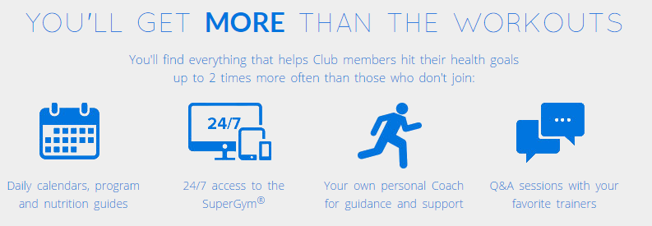
Team Beachbody Monthly Costs. Tap into a Powerful System of Fitness, Nutrition, and Support.
One time Coach fee = $39.95 (waived if a challenge pack is purchased)

 | Customer | Customer | Coach
 | Free Team Beachbody Account | Premium Club Member | Coach (Discount & Up)
Monthly Fee (Administrative Services) | n/a | n/a | $15.95
Discount | None | 10% | 25%
Beachbody On Demand | n/a | $12.96 | $-
Shakeology (30 Servings bulk in bag) | $129.95 | $116.96 | $97.46
Cost/Serving | $4.33 | $3.90 | $3.25
Shakeology (Product, S&H, MN tax) | $153.82 | $127.62 | $106.30
Cost/Serving | $5.13 | $4.25 | $3.54
Commission on Retail Sales | n/a | n/a | 25%
Your own personal Coach, who can help take your results to the next level with individualized guidance, support, tools, and motivation | X | X | X
Active Message Boards with answers to your food and fitness questions, share advice, get community support, and find workout buddies to help you hit your goals | X | X | X
Access to the online SuperGym, where you can schedule and log your workouts and easily track your progress | X | X | X
Stream hundreds of workouts from our massive collection of world-class programs including P90X and INSANITY |  | X | X
New workouts every month, so you'll never run out of streaming options when you're on-the-go! |  | X | X
Personalized meal plans that help accerlerate your progress |  | X | X
Exclusive Q&A sessions with your favorite trainers including Tony Horton, Shaun T, Autumn Calabrese, Chalene Johnsons, and Sagi Kalev |  | X | X
Sample Sneak Peek workouts from some of our hottest DVD Programs that aren't in the Member Library, so you can find the right fit before committing to getting the best possible results |  | X | X

Overall level requirements & costs | $153.82 | $140.58 | $122.25
Cost/Serving | $5.13 | $4.69 | $4.08
Monthly % Savings | 0.00% | 8.61% | 20.52%
Monthly $ Savings | $- | $13.24 | $31.57

